Sheet1
 | Current Dark Store Model |  | Hub and Spoke Model | Cost of setting up a new dark store Model (20 Stores) |  | Cost of Setting up a Hub and Spoke Model (1 Hub + 40 Spokes)

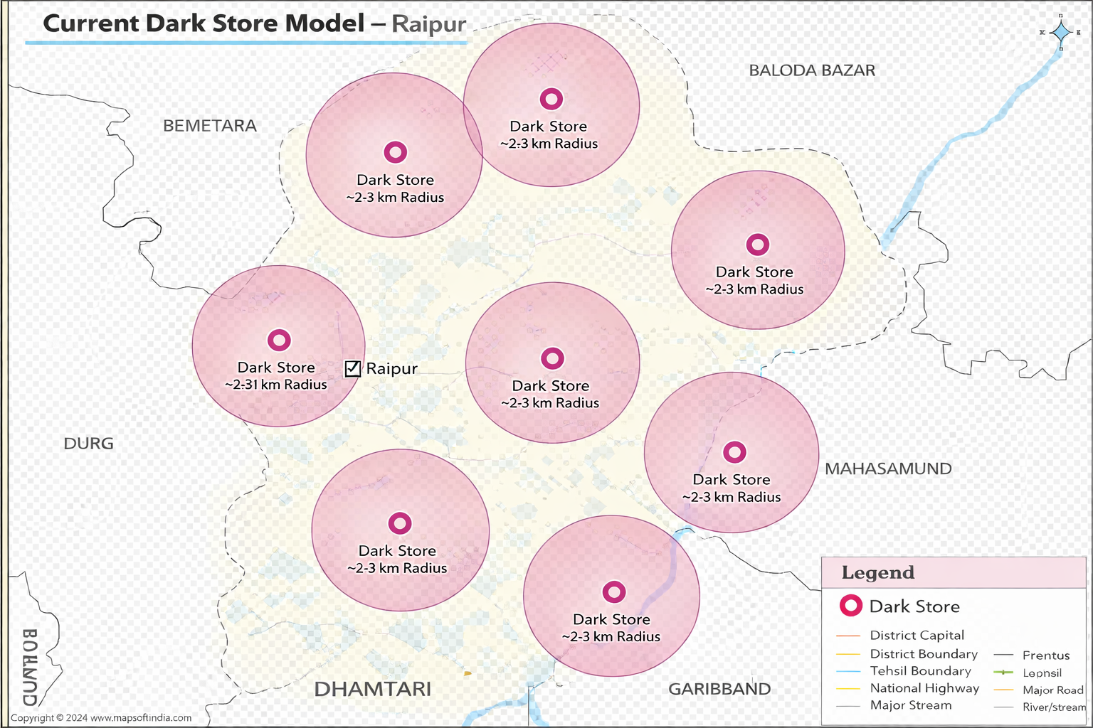
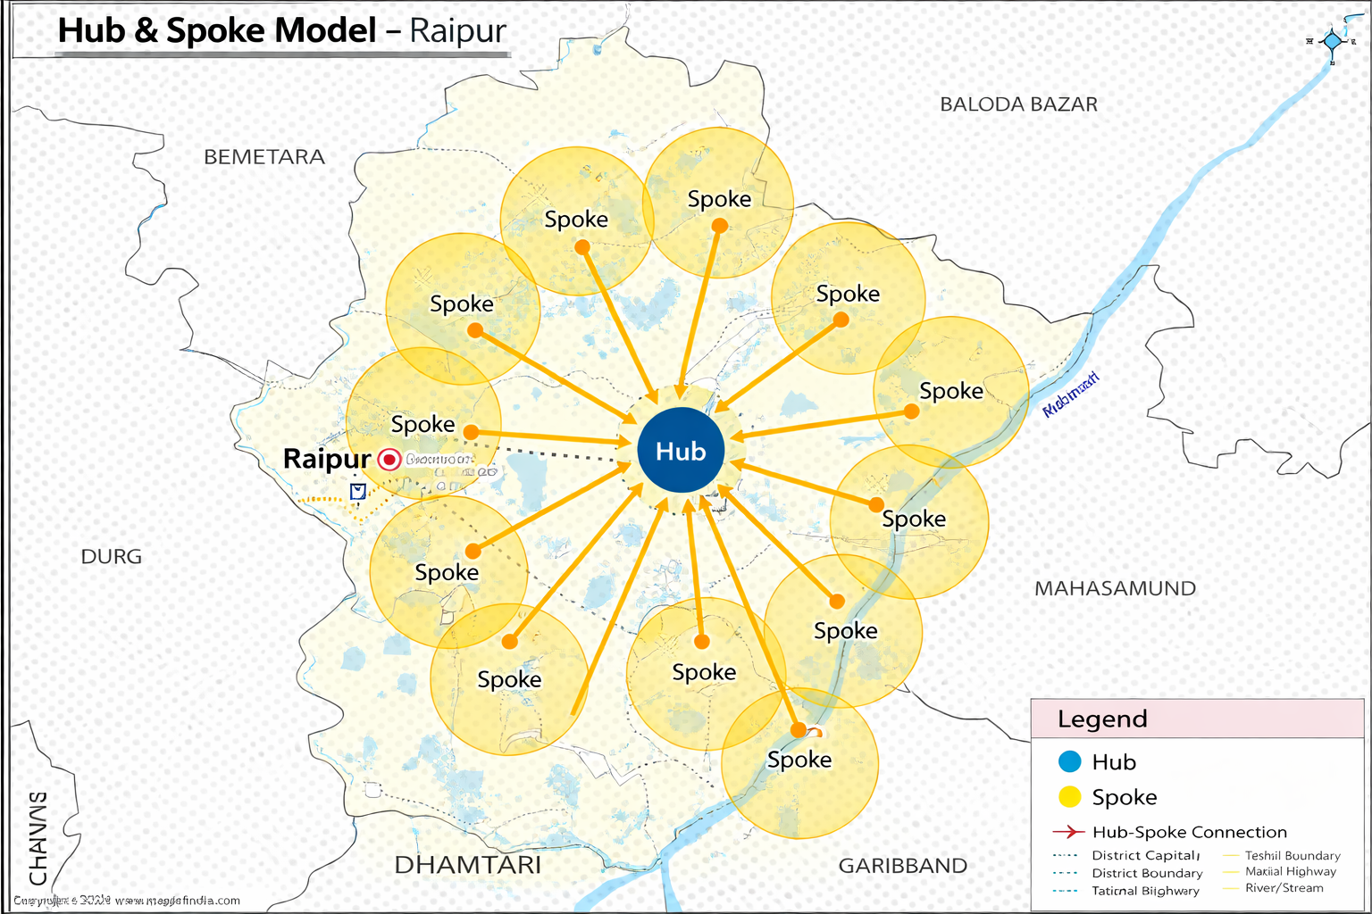
 |  |  |  | Component | Cost Range | Component | Cost Range
 |  |  |  | Franchise / License Fee | ₹1 Cr | Franchise / License Fee | ₹80 L
 |  |  |  | Setup + Infrastructure | ₹3 Cr | Setup + Infrastructure | ₹2.8 Cr
 |  |  |  | Inventory (Initial Stock) | ₹3.5 Cr | Inventory (Initial Stock) | ₹2 Cr
 |  |  |  | Tech & Equipment | ₹70 L | Tech & Equipment | ₹80 L
 |  |  |  | Rent Deposit | ₹1.5 Cr | Rent Deposit | ₹1.2 Cr
 |  |  |  | Licenses & Compliance | ₹15 L | Licenses & Compliance | ₹25 L
 |  |  |  | Hiring & Training | ₹30 L | Hiring & Training | ₹25 L
 |  |  |  | Delivery Setup | ₹30 L | Delivery Setup | ₹28 L
 |  |  |  | Working Capital (3 months) | ₹2 Cr | Working Capital (3 months) | ₹1.2 Cr
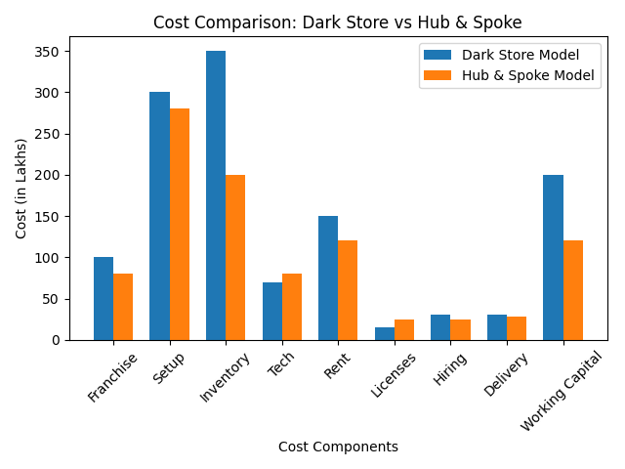

Component |  | Cost Range | Cost Range
Rent | ₹1.5 – 3 lakh |  | ₹1 – 2 lakh
Staff Cost | ₹2 – 3 lakh |  | ₹1.5 – 2.5 lakh
Utilities (Electricity, etc.) | ₹40k – 70k |  | ₹30k – 50k
Inventory Holding Cost | ₹60k – 1 lakh |  | ₹30k – 50k
Maintenance & Misc. | ₹20k – 40k |  | ₹20k – 30k
Hub Allocation Cost | ₹0.00 |  | ~₹30k per store
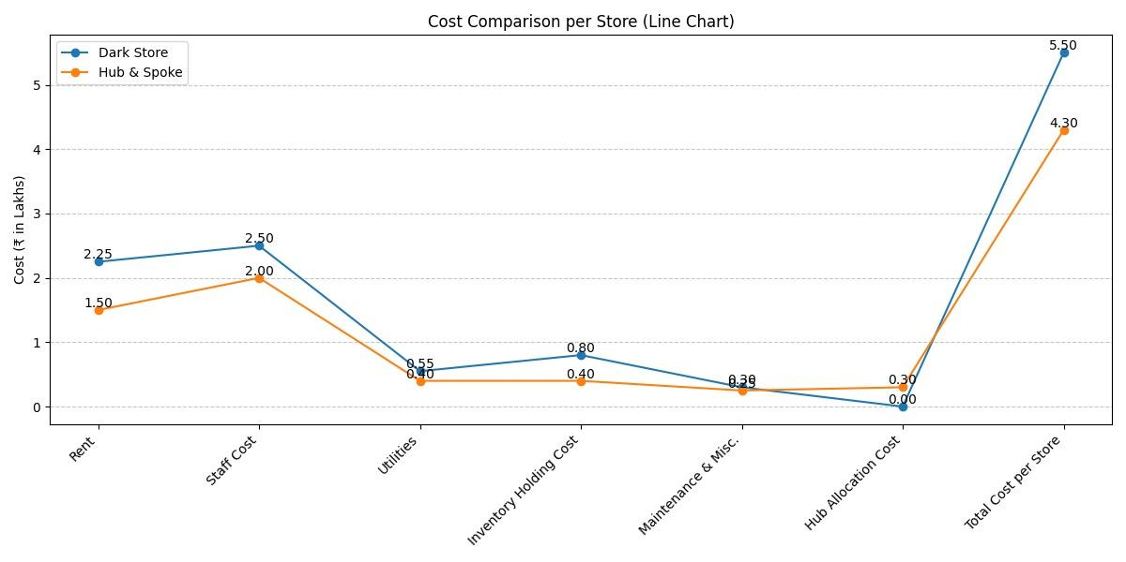
Total Cost per Store | ₹4 – 7 lakh |  | ₹3.3 – 5.3 lakh

